D1
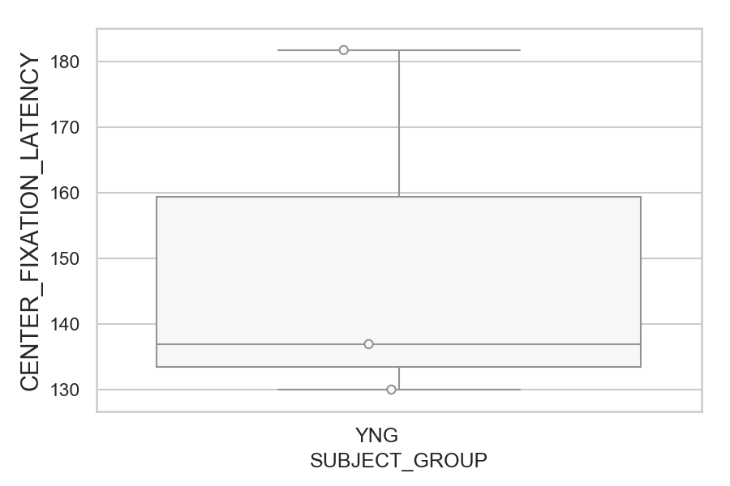
Latency of the center fixations relative to fixation_target_onset (ms)(median of all fixations per trial) (mean of trials per subject)
SUBJECT_NAME | SUBJECT_GROUP | SUBJECT_AGE | VALUE
AW002AF | YNG | 19 | 181.8125
MP1 | YNG |  | 136.9375
AW001CG | YNG | 19 | 130

D1 (types)
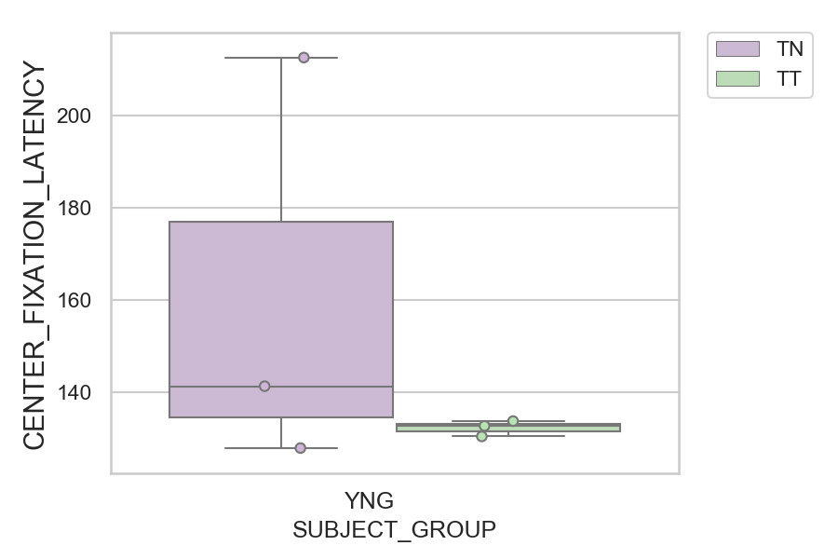
Latency of the center fixations relative to fixation_target_onset (ms)(median of all fixations per trial) (mean of trials per subject)
SUBJECT_NAME | SUBJECT_GROUP | CONDITION_APPEARANCE | SUBJECT_AGE | VALUE
AW002AF | YNG | TN | 19 | 212.7
MP1 | YNG | TN |  | 141.25
AW001CG | YNG | TT | 19 | 133.66666667
MP1 | YNG | TT |  | 132.625
AW002AF | YNG | TT | 19 | 130.33333333
AW001CG | YNG | TN | 19 | 127.8

